Pivot Tables
Count of Injury Type | Injury Type
Position | ACL Tear | Ankle Sprain | Hamstring Strain | Knee Injury | Shoulder Dislocation | Grand Total
Center | 6 | 6 | 6 | 10 | 8 | 36
Forward | 7 | 11 | 2 | 2 | 7 | 29
Guard | 8 | 10 | 4 | 3 | 10 | 35
Grand Total | 21 | 27 | 12 | 15 | 25 | 100

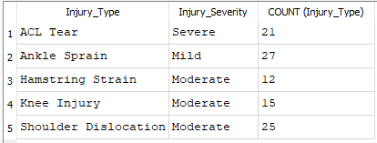
Count of Injury Type | Injury Type
Injury Severity | ACL Tear | Ankle Sprain | Hamstring Strain | Knee Injury | Shoulder Dislocation | Grand Total
Mild | 4 | 6 | 2 | 4 | 11 | 27
Moderate | 6 | 9 | 3 | 6 | 7 | 31
Severe | 11 | 12 | 7 | 5 | 7 | 42
Grand Total | 21 | 27 | 12 | 15 | 25 | 100

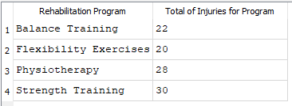
Count of Rehabilitation Program | Injury Type
Rehabilitation Program | ACL Tear | Ankle Sprain | Hamstring Strain | Knee Injury | Shoulder Dislocation | Grand Total
Balance Training | 9 | 6 | 1 |  | 6 | 22
Flexibility Exercises | 3 | 4 | 1 | 6 | 6 | 20
Physiotherapy | 6 | 8 | 5 | 5 | 4 | 28
Strength Training | 3 | 9 | 5 | 4 | 9 | 30
Grand Total | 21 | 27 | 12 | 15 | 25 | 100

Count of Injury Severity | Injury Severity
Age range | Mild | Moderate | Severe | Grand Total
Adolescent | 11 | 6 | 16 | 33
Adult | 10 | 14 | 13 | 37
Young Adult | 6 | 11 | 13 | 30
Grand Total | 27 | 31 | 42 | 100

Sum of Injury Recurrence | Injury Type
Rehabilitation Program | ACL Tear | Ankle Sprain | Hamstring Strain | Knee Injury | Shoulder Dislocation | Grand Total
Balance Training | 1 | 2 | 0 |  | 3 | 6
Flexibility Exercises | 1 | 1 | 0 | 3 | 2 | 7
Physiotherapy | 0 | 1 | 1 | 0 | 2 | 4
Strength Training | 1 | 2 | 2 | 2 | 1 | 8
Grand Total | 3 | 6 | 3 | 5 | 8 | 25

